Sheet2
Describe class group configuration and use in factory methods

 | Magento uses factory methods to instantiate Models, Blocks and Helpers classes, applying a necessary method (for example getModel, helper etc.).
 | You should pass an abstract name of a class group, followed by an entity name. Class groups are described in configuration XML files in /etc/config.xml files of appropriate modules.

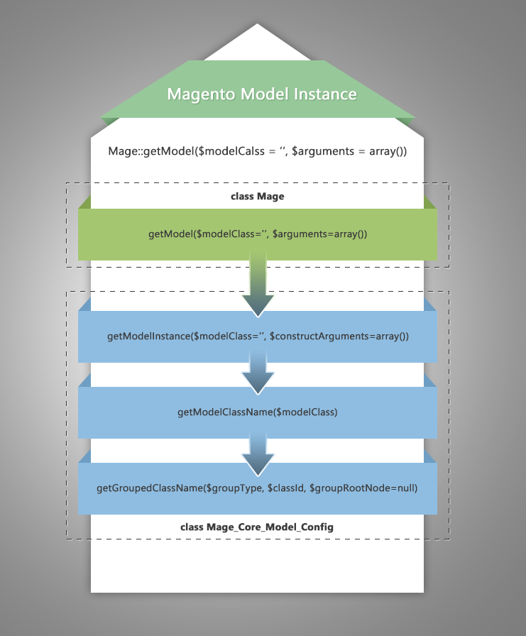

 | Let’s have a look at the proccess of class instantiating by the example of models and try to instantiate the product object. This can be done by using getModel() method:

 |  | $product = Mage::getModel(‘catalog/product’);

 | This method retrieves an instance of Mage_Catalog_Model_Product this way:
 | app/Mage.php
 |  | /**
 |  | * Retrieve model object
 |  | *
 |  | * @link Mage_Core_Model_Config::getModelInstance
 |  | * @param string $modelClass
 |  | * @param array|object $arguments
 |  | * @return Mage_Core_Model_Abstract|false
 |  | */
 |  | public static function getModel($modelClass = '', $arguments = array())
 |  | {
 |  | return self::getConfig()->getModelInstance($modelClass, $arguments);
 |  | }

 | getModel() calls getModelInstance() method, which gets class instance with the help of getModelClassName

 | app/code/core/Mage/Core/Model/Config.php

 |  | /**
 |  | * Get model class instance.
 |  | *
 |  | * Example:
 |  | * $config->getModelInstance('catalog/product')
 |  | *
 |  | * Will instantiate Mage_Catalog_Model_Mysql4_Product
 |  | *
 |  | * @param string $modelClass
 |  | * @param array|object $constructArguments
 |  | * @return Mage_Core_Model_Abstract|false
 |  | */
 |  | public function getModelInstance($modelClass='', $constructArguments=array())
 |  | {
 |  | $className = $this->getModelClassName($modelClass);
 |  | if (class_exists($className)) {
 |  | Varien_Profiler::start('CORE::create_object_of::'.$className);
 |  | $obj = new $className($constructArguments);
 |  | Varien_Profiler::stop('CORE::create_object_of::'.$className);
 |  | return $obj;
 |  | } else {
 |  | return false;
 |  | }
 |  | }
 |  | /**
 |  | * Retrieve module class name
 |  | *
 |  | * @param sting $modelClass
 |  | * @return string
 |  | */
 |  | public function getModelClassName($modelClass)
 |  | {
 |  | $modelClass = trim($modelClass);
 |  | if (strpos($modelClass, '/')===false) {
 |  | return $modelClass;
 |  | }
 |  | return $this->getGroupedClassName('model', $modelClass);
 |  | }
 | getGroupedClassName() method does all the work. As you can see from getModelClassName, we pass the group type (model, block or helper) and the class identifier (in our case catalog/product) to this method. It explodes our string by using ‘/’ as needle, removes whitespaces and forms array of strings.

 | Then we load Varien_Simplexml_Element and pass our group name (catalog) to find class prefix name from config.xml of our module. In our example it would be Mage_Catalog_Model; in case this extension was overwritten, it could be Namespace_Catalog_Model. We also add entity class name (product) and after using Magento uc_words (based on PHP ucwords that returns a string with the first character of each word capitalized, if that character is alphabetic), we finally receive Mage_Catalog_Model_Product that will be returned in getModelInstance. As we noticed from above, it will create the object, using a new operator.

 |  | /**
 |  | * Retrieve class name by class group
 |  | *
 |  | * @param string $groupType currently supported model, block, helper
 |  | * @param string $classId slash separated class identifier, ex. group/class
 |  | * @param string $groupRootNode optional config path for group config
 |  | * @return string
 |  | */
 |  | public function getGroupedClassName($groupType, $classId, $groupRootNode=null)
 |  | {
 |  | if (empty($groupRootNode)) {
 |  | $groupRootNode = 'global/'.$groupType.'s';
 |  | }
 |  | $classArr = explode('/', trim($classId));
 |  | $group = $classArr[0];
 |  | $class = !empty($classArr[1]) ? $classArr[1] : null;
 |  | if (isset($this->_classNameCache[$groupRootNode][$group][$class])) {
 |  | return $this->_classNameCache[$groupRootNode][$group][$class];
 |  | }
 |  | $config = $this->_xml->global->{$groupType.'s'}->{$group};
 |  | // First - check maybe the entity class was rewritten
 |  | $className = null;
 |  | if (isset($config->rewrite->$class)) {
 |  | $className = (string)$config->rewrite->$class;
 |  | } else {
 |  | /**
 |  | * Backwards compatibility for pre-MMDB extensions.
 |  | * In MMDB release resource nodes <..._mysql4> were renamed to <..._resource>. So is left
 |  | * to keep name of previously used nodes, that still may be used by non-updated extensions.
 |  | */
 |  | if ($config->deprecatedNode) {
 |  | $deprecatedNode = $config->deprecatedNode;
 |  | $configOld = $this->_xml->global->{$groupType.'s'}->$deprecatedNode;
 |  | if (isset($configOld->rewrite->$class)) {
 |  | $className = (string) $configOld->rewrite->$class;
 |  | }
 |  | }
 |  | }
 |  | // Second - if entity is not rewritten then use class prefix to form class name
 |  | if (empty($className)) {
 |  | if (!empty($config)) {
 |  | $className = $config->getClassName();
 |  | }
 |  | if (empty($className)) {
 |  | $className = 'mage_'.$group.'_'.$groupType;
 |  | }
 |  | if (!empty($class)) {
 |  | $className .= '_'.$class;
 |  | }
 |  | $className = uc_words($className);
 |  | }
 |  | $this->_classNameCache[$groupRootNode][$group][$class] = $className;
 |  | return $className;
 |  | }

 | Now let’s review how to declare class alias – a string that calls class (model, block, helper – depends from usage context)) we have declared. Alias naming rule is: group/entity.

 | As we observed, the group name is declared in configuration files in /etc/folder of the module.

 | General case
 |  | Namespace_Modulename_Model

 | In our specific case
 |  | Mage_Catalog_Model

 | Creating models objects, we can also try to use Mage::getSingleton() method. The method differs from getModel() by using different Design Pattern called Singleton, which means that only one instantiation of a class is used during the runtime process. However, when calling getModel(), a new object will be created every time the method is called.

 | Helpers
 |  | Instantiate a helper class the same way you do models. We call Mage::helper(‘group/entity’) and it calls getHelperClassName() in its turn, which has a default value ‘data’ in entity name. It means that if you pass only a group name, for example Mage::helper(‘catalog’), it will create an object of Mage_Catalog_Helper_Data class.

 |  | /**
 |  | * Retrieve helper object
 |  | *
 |  | * @param string $name the helper name
 |  | * @return Mage_Core_Helper_Abstract
 |  | */
 |  | public static function helper($name)
 |  | {
 |  | $registryKey = '_helper/' . $name;
 |  | if (!self::registry($registryKey)) {
 |  | $helperClass = self::getConfig()->getHelperClassName($name);
 |  | self::register($registryKey, new $helperClass);
 |  | }
 |  | return self::registry($registryKey);
 |  | }

 |  | From the code above you may notice that Magento registers a variable when the helper is being created. So helper instance can be created only one time during runtime.

 |  | public function getHelperClassName($helperName)
 |  | {
 |  | if (strpos($helperName, '/') === false) {
 |  | $helperName .= '/data';
 |  | }
 |  | return $this->getGroupedClassName('helper', $helperName);
 |  | }

 |  | Namespace_Modulename_Helper
 | Blocks
 |  | The proccess of instantiating blocks is similar to the one of creating models and helpers. Blocks can be instantiated via layout xml (
 |  |  | Namespace_Modulename_Block
 |  | P.S. In Magento 2.0 this process will be changed as follows: Support to receive and process direct class names was added to all basic Magento methods that create objects. Support for class-id strings was retained to ensure a smooth transition (Framework Changes from 1.x to 2.x).

 |  | So instead of Mage::getModel(‘catalog/product’) it will be
 |  | Mage::getModel(‘Mage_Catalog_Model_Product’). But this would be a completely new story;)

Sheet3
The Process and Configuration of Class Overrides in Magento. Register an Observer

 | In the previous sheet we have described the following factory methods, used in Magento.
 |  | for blocks Mage_Core_Model_Layout :: createBlock(...)
 |  | for models Mage :: getModel(...) and getResourceModel(...)
 |  | for helpers Mage :: helper(...)

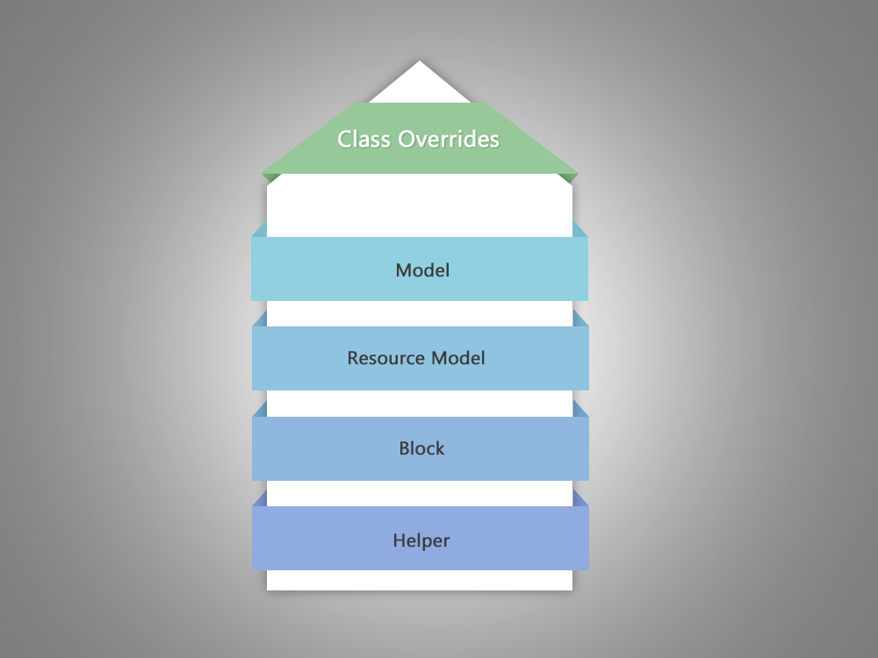

 | Due to the use of these factory methods, it became possible to implement rewrite.

 | What is it and how can we make use of it?

 | Let’s take the example of a model. As we mentioned, due to the getModel(‘catalog/product’)method, Magento returns an object of a certain class the way as follows:

 | 1) It defines class name.
 | 2) It creates an object for this class and calls autoloader.
 |  | a. It turns class name into Mage/Catalog/Model/Product.php path.
 |  | b. Server searches this file automatically among 3 codepools (local, community, core) and in the lib directory.
 | As a result, Magento loads the first found class according to the order, defined in include_path.
 | If we want to change basic Magento functionality, here are the options.

 | To do poorly. We can simply duplicate the file and its path (see the ‘a’ step above) into localcodepool. Our class will be loaded from the local folder due to the priority of this codepool in the list, mentioned in include_path. Now make the necessary changes in the copied file.

 | So why is it bad? Because after copying the entire file, we will most likely miss all changes, made in a new version of the file, when Magento update is released. This method is better to be used for fast and dirty fixes.

 | To act smart. Inherit this class and describe in it changes only. There is a huge plus, compared to the previous method – readability. After all, we immediately see what was changed. Rewritehurries to our rescue here. It allows us on the very first define class name stage to replace the name of the existing class with the name of our class (inherited from the original one).

 | How to describe it?

 |  | Let’s create a module. In config.xml inside globals -> models, blocks and helpers we can specify our rewrites. For example, to override the standard class of theMage_Catalog_Model_Product product, you need to use:

 |  | <global>
 |  | ...
 |  | <models>
 |  | ...
 |  | <catalog>
 |  | <rewrite>
 |  | <product> Namespace_Modulename_Model_Myproduct </product>
 |  | </rewrite>
 |  | </catalog>
 |  | </models>
 |  | </global>
 | Principle is the same as in Magento path.

 |  | <catalog> – specify module namespace (catalog – node name can be viewed in module configuration in the section for modules);
 |  | <rewrite> – mark that next the list of module rewrites will be described;
 |  | <product> – part of the classname following the group classname (Mage_Catalog_Model). A new class name is specified inside, and the class will be used instead of the standard one.

 | To override the Mage_Adminhtml_Sales_Order_Create class, we will add the following lines in configuration (models section):

 |  | <adminhtml>
 |  | <rewrite>
 |  | <sales_order_create> Namespace_Modulename_Model_Adminhtml_Order_Create</sales_order_create>
 |  | </rewrite>
 |  | </adminhtml>

 | The substitution is made here:

 |  | Mage :: getModel($modelClass, $arguments){
 |  | Mage_Core_Model_Config :: getModelInstance($modelClass, $arguments){
 |  | $className = $this->getModelClassName($modelClass){
 |  | return $this->getGroupedClassName('model', $modelClass)
 |  | }
 |  | ...
 |  | $obj = new $className($arguments);
 |  | }
 |  | }

 | getGroupedClassName makes search in rewrites, described in the layout. What will happen if we describe several rewrites for a single class? The first found will be executed. Peep inside a previous post Module Conflicts to find out more about such cases.

 | Creating rewrite for Blocks and Helpers is similar. We also have another integral part of Magento MVC – controllers. How can we change the functionality of a standard controller?

 | Controllers

 | To override the controller, we add a new router to config.xml of the module (expect to read more about router in the future posts). In brief, the pattern below helps establish the connection between router (used in the url) and a particular module.

 |  | <frontend>
 |  | <routers>
 |  | <modulename>
 |  | <use>standard</use>
 |  | <args>
 |  | <module>Namespace_Modulename</module>
 |  | <frontName>routername</frontName>
 |  | </args>
 |  | </modulename>
 |  | </routers>
 |  | </frontend>

 | Creating modules, we normally set the connection between our router and a module. In this case we override the connection of existing router with our module.

 |  | <frontend>
 |  | <routers>
 |  | <prevmodulename>
 |  | <args>
 |  | <modules>
 |  | <namespace_modulename before="Prevnamespace_Prevmodulename">
 |  | Namespace_Modulename
 |  | </namespace_modulename>
 |  | </modules>
 |  | </args>
 |  | </prevmodulename>
 |  | </routers>
 |  | </frontend>

 | Now we create a controller with the same name in our module like this:

 |  | <?php
 |  | require_once 'Prevnamespace/Prevmodulename/controllers/FilenameController.php';
 |  | class Namespace_Modulename_FilenameController extends Prevnamespace_Prevmodulename_FilenameController
 |  | {
 |  | ...
 |  | }
 |  | Prevnamespace, Prevmodulename – name space and modul name, where we need to override the controller.
 |  | Filename – the name of an overridable controller
 |  | Namespace, Modulename- name space and module name with an extended controller.
 | Rewrites may certainly be inevitable. But they cause modules conflicts and problems with updates. How do we pull ourselves through this? Let’s have a look at a very classy way to affect Magento.

 | Events in Magento

 |  | Observer pattern, implemented in Magento, allows inserting additional actions at given moments of code execution.

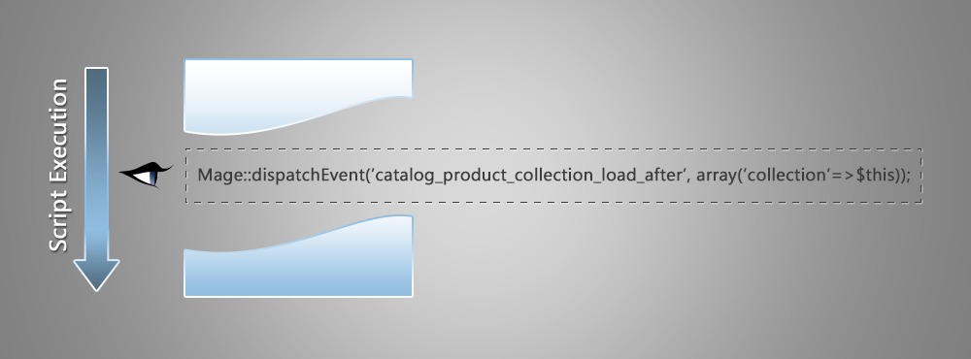

 | This pattern helps developing independent modules that embed their functionality with the help of events. It means it will be way more preferable to find an “observer” instead of rewriting the class.
 | This observer will allow executing events at a certain time, influencing some kind of data. How is it realized?

 | Look for the mentioned notes in the code
 |  | Mage::dispatchEvent(‘event_name’, $event_arguments);

 | This note is an “observer” that allows executing methods, attached to it, transferring$event_arguments data array into methods.

 | For example, there is a great “observer” in the Mage_Core_Model_Abstract class, which allows impacting any object after it has been saved in database as far as models inheritMage_Core_Model_Abstract.

 |  | protected function _afterSave()
 |  | {
 |  | ...
 |  | Mage::dispatchEvent($this->_eventPrefix.'_save_after', $this->_getEventData()); ...
 |  | }
 | Let’s have a look at the Mage_Catalog_Model_Product model. After saving the product, the described method will be called.

 |  | $this->_eventPrefix = 'catalog_product';
 |  | $this->_getEventData()= array(
 |  | 'data_object' => $this,
 |  | ‘product’ => $this,
 |  | );
 | Here is what we get:
 |  | Mage::dispatchEvent(‘catalog_product_save_after’, array(…, ‘product’ => $this));

 | Events that will be called are described in config.xml via layout. In our case:

 |  | <adminhtml>
 |  | <events>
 |  | <catalog_product_save_after>
 |  | <observers>
 |  | <my_individual_name>
 |  | <type>singleton</type>
 |  | <class>modulename/observer</class>
 |  | <method>methodName</method>
 |  | </my_individual_name>
 |  | </observers>
 |  | </catalog_product_save_after>
 |  | </events>
 |  | </adminhtml>

 | (In this case I announce the event for area adminhtml, but events may also be described both byglobal and, of course, frontend).
 |  | class Namespace_Modulename_Model_Observer
 |  | {
 |  | public function methodName(Varien_Event_Observer $observer)
 |  | {
 |  | ...
 |  | }
 |  | }

 | We can get the data of the array, transferred in dispatchEvent method, via $observer object. In our example array(…, ‘product’ => $this) is transferred. To receive the element of the productarray, we should use $observer->getEvent()->getProduct().

 | Together with other events we are free to use the ones, formed automatically and individually for your module and for models and controllers, created in it.

 |  | Models
 |  |  | *_load_before
 |  |  | *_load_after

 |  |  | *_save_before
 |  |  | *_save_after
 |  |  | *_save_commit_after

 |  |  | *_delete_before
 |  |  | *_delete_after
 |  |  | *_delete_commit_after

 |  |  | * – protected $_eventPrefix = ‘…’
 |  |  | Specified individually in a created model
 |  | Controllers
 |  |  | controller_action_predispatch_*
 |  |  | controller_action_predispatch_**

 |  |  | controller_action_postdispatch_**
 |  |  | controller_action_postdispatch_*

 |  |  | controller_action_layout_render_before_**
 |  |  | (described in a controller, it mostly concerns blocks)

 |  |  | * – RouteName
 |  |  | ** – RouteName_ControllerName_ActionName

 | Using Observers, described in Magento core, is a very good habit. Remember to create Observers in the main locations of your modules. It will help developers use and customize extensions in their projects easily.

Sheet4
Setting Up a Cron Job

 | Let’s start with server setup.

 | As any complex system, Magento has a lot of tasks that need to be executed periodically. Here are some of these processes: catalog price rules, sending newsletters, generating Google Sitemaps, customer alerts/notifications (product price change, product back to stock), automatic updating of currency rates, scheduled DB logs cleanup, etc.

 | For that purpose we need to setup a cron job on a server. From Wikipedia we know that cron is the time-based job scheduler. Cron enables users to schedule jobs (commands or shell scripts) to run periodically at certain times or dates.

 | To set up a cron job, first of all we should make our server run cron.php intermittently (that is located in Magento installation root). For that purpose Magento developers provide us with a shell script – cron.sh, which is also located in installation root. Depending on your operational system, you need to edit either crontab on UNIX/BSD/Linux, using crontab -e command, or add a new task using Scheduled Tasks service for Windows. More information on this topic can be found on Magento Wiki page or in a Sweet Tooth manual.

 | cron.php file
 | Let’s have a look
 |  | try {
 |  | Mage::getConfig()->init()->loadEventObservers('crontab');
 |  | Mage::app()->addEventArea('crontab');
 |  | Mage::dispatchEvent('default');
 |  | } catch (Exception $e) {
 |  | Mage::printException($e);
 |  | }
 | If we thoroughly look at these three lines of code and investigate which methods they call further, we can see that after initialization of config file for crontab section Magento finally invokesMage_Cron_Model_Observer->dipatch() that does the following:

 |  | 1. Process scheduled cron queue: Magento reads the cron schedule table for jobs that need to be executed this very second and jobs that should have already been executed, i.e. with timestamps in the past, that haven’t expired. The expiry limit is also a parameter, configurable in the admin panel. After all the work, dispatch method calls two generate() and cleanup() methods

 |  | 2. Generate tasks schedule: Mage_Cron_Model_Observer->generate(), this method searches final configuration file for content of <crontab> nodes ($config = Mage::getConfig()->getNode(‘crontab/jobs’); ), reading <schedule><cron_expr> elements to find out when and how often they need to be executed and pulls this data into the cron_schedule table.

 |  | 3. Cleanup: Mage_Cron_Model_Observer->cleanup(), this method deletes completed (with ‘success’ status) or missed ($time < $now – $scheduleLifetime, where $scheduleLifetimeare set in Magento admin area) jobs from cron_schedule DB table.

 | cron_schedule table

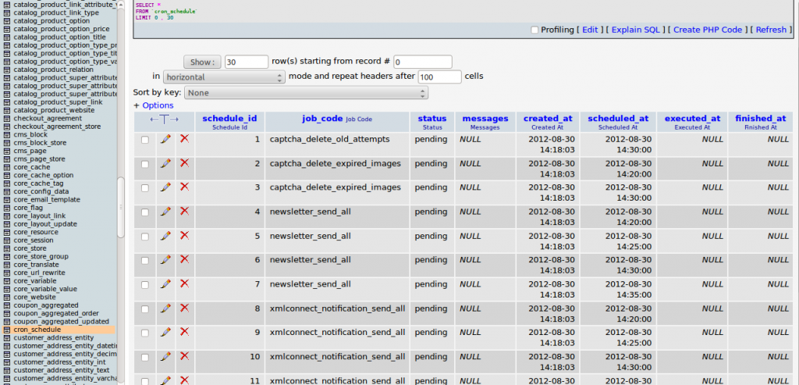

 | Refer to this source while preparing for the exam.

 |  | schedule_id – unique proccess id
 |  | job_code – job identifier from configuration
 |  | status – can be one of the predifened statuses: pending, running, success, missed, error
 |  | messages – custom text reported by method that was executed by the job
 |  | created_at – date/time when the task was created at, i.e. when server executes cron.php
 |  | scheduled_at – date/time when the task is planned to be executed, that is specified in <schedule> node of the config file
 |  | executed_at – date/time when the task was actually executed (NULL prior to execution)
 |  | finished_at – date/time when the task finished execution (NULL prior to execution)
 | When schedules are generated, status is set to pending, created_at to now() and scheduled_at to target date/time.
 | When pending schedules are executed, status is set to running and executed_at to now().
 | When scheduled task is finished successfully, status is set to success and finished_at to now().
 | When scheduled task has thrown an exception, status is set to error and finished_at to now().
 | If task status is pending and scheduled_at is older than “Missed if not run within” configured value, status is set to missed.

 | Set up cron in Magento admin area

 | Cron (Scheduled Tasks) can be set up from the admin panel. The path is System -> Configuration -> System -> Cron (Scheduled Tasks)
 | There are six settings here. Please, note that the time is measured in minutes. Even though Magento has predifened settings for all of them, you can tune everything according to your needs.

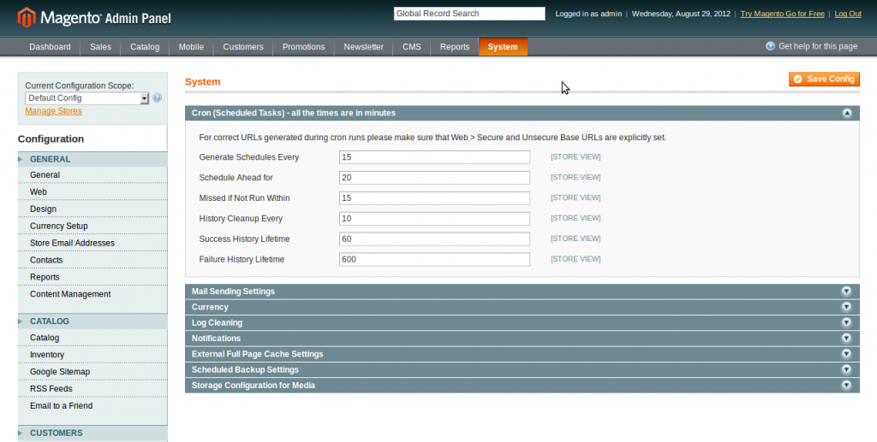

 | Generate Schedules Every: schedules will be generated with setup frequency.
 | Schedule ahead for: schedules will be generated for this amount of time ahead.

 | Missed if not run within: if cron.php was executed within setup minutes after the task was scheduled, it will be executed. Otherwise, Magento will mark it as ‘missed’ in cron_schedule table

 | History cleanup every: Magento will clean up history not more than setup amount of minutes.

 | Success history lifetime: tasks with ‘success’ status will be stored in cron_schedule table for this amount of minutes.

 | Failure history lifetime: Tasks that have status ‘error’ and ‘missed’ will be stored in cron_schedule table for this amount of minutes.

 | Set up a cron job for custom extensions

 |  | Here is how config of our custom extension will look like:
 |  | <config>
 |  | <crontab>
 |  | <jobs>
 |  | <cronjob_code>
 |  | <schedule><cron_expr>*/15 * * * *</cron_expr></schedule>
 |  | <run><model>modulename/modelname::methodName</model></run>
 |  | </cronjob_code>
 |  | </jobs>
 |  | </crontab>
 |  | </config>
 | <cronjob_code> – should be unique identifier, will be used as job_code in cron_schedule DB table

 | <schedule><cron_expr>* * * * *</cron_expr></schedule> – each asterisk stands for time period corespondingly: minutes, hours, days, months, years. If you leave it this way (* * * * *), cron job will be executed every minute. In our example, cron job will be run every 15 minutes <schedule><cron_expr>*/15 * * * *</cron_expr></schedule> or we can use alternative syntax to do that <schedule><cron_expr>0,15,30,45 * * * *</cron_expr></schedule>. If you want, for example, to run your job at 3 a.m., you need to do your cron expresion this way: <schedule><cron_expr>0 3 * * *</cron_expr></schedule>

 | <run><model>modulename/modelname::methodName</model></run>

 | Your modulename and modelname should be written in lowercase and stored according to certain (Magento Factory method) rules. methodName shoulb be written as is.

 | We need to write the code of our method in app/code/local/Namespace/Modulename/Model/Modelname.php

 |  | <?php
 |  | public function methodName() {
 |  | //put here whatever you need
 |  | }

